Sheet1
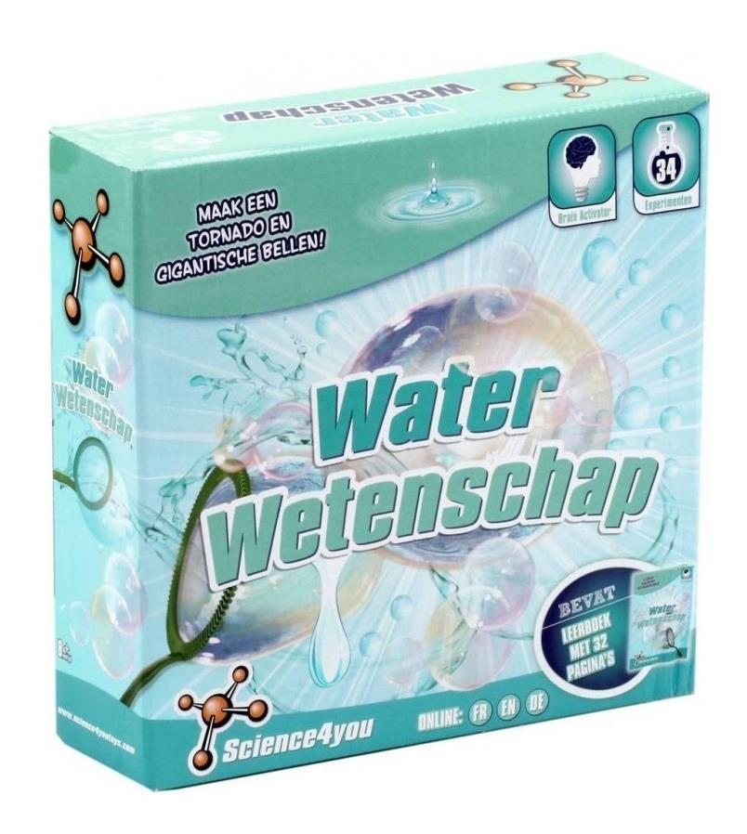
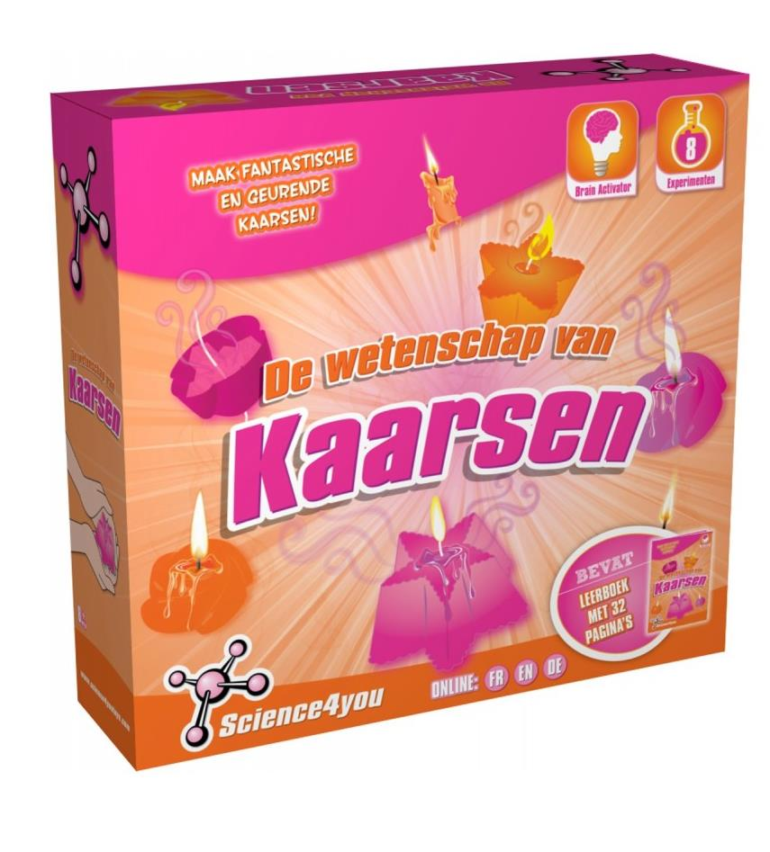
Picture | Item code | Description | Extra information | Restriction | Stock | Sales price EXW | Retail price | Barcode | Quantity PU | Quantity pallet | Pallet | Origin | Customs code | Item weight | Languages on package | Group
 | S-09659 | Science 4 You, Water Science V2 M - NL | 80000248 |  | 352 | 5.9 | 10.99 | 5600849489025 | 6 |  |  |  | 9503007000 | 438 |  | Science 4 You
 | S-09651 | Science 4 You, Science Of Candles M - NL | 80000039 |  | 155 | 5.9 | 10.9 | 5600849489056 | 6 |  |  |  | 9503007000 | 314 |  | Science 4 You

